Black Scholes Simulation
Call
Exact |  | Simulation | WT - Wt | XT | max(XT-K,0)
t | 0 | 1 | 0.086701541432 | 102.38707606 | 12.387076059 | Discount Factor | 0.98881304461
T | 0.25 | 2 | -0.15214565592 | 97.61108422 | 7.6110842205 | SampleMean(WT - Wt) | -0.028699556758
S(0) | 100 | 3 | -0.052925182243 | 99.567434626 | 9.5674346259 | SampleVar(WT - Wt) | 0.046811277584
sigma | 0.2 | 4 | 0.33572486915 | 107.61555062 | 17.615550625 | Average Payoff | 10.146286952
K | 90 | 5 | 0.096376345047 | 102.58538283 | 12.585382825 | Discounted Avr Payoff | 10.032780892
T-t | 0.25 | 6 | 0.15160289791 | 103.72475099 | 13.724750993
r | 0.045 | 7 | -0.19820733912 | 96.71598735 | 6.7159873501
d1 | 1.2161051566 | 8 | 0.079035762339 | 102.23022099 | 12.23022099
d2 | 1.1161051566 | 9 | 0.17201920586 | 104.14915217 | 14.149152166
Phi(d1) | 0.88802756677 | 10 | -0.38605549517 | 93.14981276 | 3.14981276
Phi(d2) | 0.86781143742 | 11 | -0.22935720735 | 96.115322304 | 6.1153223042
Call | 11.573462414 | 12 | 0.1370471587 | 103.423232 | 13.423232004
 |  | 13 | 0.19739950165 | 104.67916347 | 14.679163469
 |  | 14 | -0.060464222123 | 99.417419179 | 9.4174191795
 |  | 15 | 0.075175411151 | 102.15132254 | 12.15132254
 |  | 16 | 0.079351327517 | 102.23667325 | 12.236673253
 |  | 17 | -0.10475886895 | 98.540576962 | 8.5405769615
 |  | 18 | 0.13559583599 | 103.39321626 | 13.393216263
 |  | 19 | 0.13020646683 | 103.28183146 | 13.281831461
 |  | 20 | 0.018558857291 | 101.00115551 | 11.001155508
 |  | 21 | 0.20616826179 | 104.86290584 | 14.862905837
 |  | 22 | -0.080410671921 | 99.021604302 | 9.0216043024
 |  | 23 | 0.26991794283 | 106.20846084 | 16.208460839
 |  | 24 | -0.03823182901 | 99.860460866 | 9.8604608663
 |  | 25 | 0.53076262822 | 111.89631814 | 21.896318138
 |  | 26 | -0.19199924489 | 96.836146323 | 6.836146323
 |  | 27 | -0.10623001464 | 98.511587717 | 8.5115877174
 |  | 28 | 0.42749493004 | 109.60896537 | 19.608965371
 |  | 29 | -0.24109440224 | 95.889962063 | 5.8899620634
 |  | 30 | -0.53834789584 | 90.355384097 | 0.35538409715
 |  | 31 | -0.23800938251 | 95.949144804 | 5.9491448045
 |  | 32 | 0.16418201899 | 103.98603277 | 13.986032765
 |  | 33 | 0.20020587312 | 104.73793368 | 14.737933685
 |  | 34 | -0.083358378711 | 98.963244176 | 8.9632441759
 |  | 35 | -0.041819903188 | 99.788825225 | 9.7888252246
 |  | 36 | -0.022634972405 | 100.17244907 | 10.172449075
 |  | 37 | 0.16880488956 | 104.08222002 | 14.082220018
 |  | 38 | 0.016546438859 | 100.96051237 | 10.96051237
 |  | 39 | -0.10960749463 | 98.445066004 | 8.4450660043
 |  | 40 | -0.023214758466 | 100.16083403 | 10.16083403
 |  | 41 | -0.076623657635 | 99.096631958 | 9.0966319579
 |  | 42 | 0.0095527021041 | 100.81939284 | 10.819392839
 |  | 43 | 0.035892244023 | 101.35190154 | 11.351901536
 |  | 44 | -0.21866200982 | 96.32113682 | 6.3211368199
 |  | 45 | 0.37715113784 | 108.51087665 | 18.510876647
 |  | 46 | -0.076427606837 | 99.100517629 | 9.1005176289
 |  | 47 | 0.3255057089 | 107.39582713 | 17.395827129
 |  | 48 | -0.19684691661 | 96.742305852 | 6.7423058517
 |  | 49 | -0.033361850599 | 99.957771907 | 9.9577719066
 |  | 50 | -0.16281676212 | 97.402982718 | 7.4029827177
 |  | 51 | 0.16995516199 | 104.10616735 | 14.106167354
 |  | 52 | -0.27512009555 | 95.239632875 | 5.2396328752
 |  | 53 | -0.26429917969 | 95.445972083 | 5.4459720834
 |  | 54 | -0.17655551322 | 97.135711016 | 7.1357110165
 |  | 55 | -0.044900198201 | 99.727368353 | 9.7273683529
 |  | 56 | -0.049096911877 | 99.64369803 | 9.6436980297
 |  | 57 | -0.3937423119 | 93.006717675 | 3.0067176749
 |  | 58 | 0.024560941619 | 101.1224718 | 11.122471799
 |  | 59 | -0.22853093394 | 96.131207124 | 6.1312071238
 |  | 60 | -0.14385000858 | 97.773168069 | 7.7731680687
 |  | 61 | 0.03007659866 | 101.23408472 | 11.234084724
 |  | 62 | -0.30297868285 | 94.710460119 | 4.7104601194
 |  | 63 | 0.13772865969 | 103.43732957 | 13.437329572
 |  | 64 | -0.018018111189 | 100.26498825 | 10.264988251
 |  | 65 | -0.27818595963 | 95.181252422 | 5.1812524218
 |  | 66 | 0.24604511345 | 105.70257021 | 15.702570212
 |  | 67 | 0.28975829475 | 106.63074075 | 16.630740751
 |  | 68 | -0.14250339734 | 97.799504104 | 7.7995041044
 |  | 69 | 0.22653929415 | 105.29101047 | 15.291010468
 |  | 70 | -0.57135046767 | 89.76095601 | 0
 |  | 71 | -0.076975055877 | 99.089667726 | 9.0896677262
 |  | 72 | -0.35489215747 | 93.732197595 | 3.7321975946
 |  | 73 | -0.28253977346 | 95.098408205 | 5.0984082052
 |  | 74 | -0.28610663636 | 95.0305918 | 5.0305918004
 |  | 75 | 0.18482024604 | 104.41613728 | 14.416137285
 |  | 76 | 0.42013116217 | 109.44765719 | 19.447657188
 |  | 77 | -0.068487991275 | 99.258006638 | 9.2580066384
 |  | 78 | 0.29551103136 | 106.75349507 | 16.753495068
 |  | 79 | -0.15867769638 | 97.483647571 | 7.4836475706
 |  | 80 | 0.13052737025 | 103.28846037 | 13.288460373
 |  | 81 | 0.29260594935 | 106.69148755 | 16.691487552
 |  | 82 | -0.20665229145 | 96.552772842 | 6.5527728422
 |  | 83 | -0.30317940632 | 94.706658073 | 4.7066580732
 |  | 84 | -0.23727314908 | 95.963274038 | 5.9632740384
 |  | 85 | 0.0023534056558 | 100.67433156 | 10.674331559
 |  | 86 | 0.045890953918 | 101.55478197 | 11.554781975
 |  | 87 | -0.22095556757 | 96.276963334 | 6.2769633343
 |  | 88 | 0.15447468266 | 103.78434314 | 13.784343137
 |  | 89 | 0.043656466455 | 101.50940754 | 11.509407537
 |  | 90 | -0.13303083911 | 97.984962024 | 7.9849620244
 |  | 91 | -0.16559506266 | 97.3488748 | 7.3488748
 |  | 92 | -0.11391197558 | 98.360351493 | 8.3603514925
 |  | 93 | 0.12826527586 | 103.24174129 | 13.241741293
 |  | 94 | -0.12685701125 | 98.106025209 | 8.1060252091
 |  | 95 | 0.05397518576 | 101.71911327 | 11.719113269
 |  | 96 | -0.35950620219 | 93.645740582 | 3.645740582
 |  | 97 | 0.041578314117 | 101.4672259 | 11.467225901
 |  | 98 | -0.39791608921 | 92.929112205 | 2.9291122047
 |  | 99 | 0.070451003821 | 102.05484723 | 12.054847235
 |  | 100 | -0.24054034489 | 95.90058836 | 5.9005883599

Greeks
 | 2(a) | d1 | 0.23266853041
 |  | Φ(d1) | 0.59199059615
 |  | ΔC | 0.59199059615
 |  | # shares | 591.9906

 | 2(b) | d1 | 0.52442649451
 |  | Φ(d1) | 0.70000903362
 |  | ΔC | 0.70000903362
 |  | # shares | -700.0090

 | 2(c) | ΔP | -0.29999096638
 |  | # shares | 299.9910

ΔΠ | 2 |  | Matrix multiplication method |  |  |  |  |  |  |  | Can also use excel to help perform Gauss elimination
ΓΠ | 3 |  | linear system (in matrix form)
ΔY | -1 |  | -1 | 3 | βY | = | -2 |  | 2 | 3 | Remember ctrl + shift + enter!
ΓY | 1 |  | 1 | -2 | βZ |  | -3 |  | 1 | 1
ΔZ | 3 |  | A |  | X | = | B |  | A-1
ΓZ | -2 |  | Therefore,
 |  |  | X | = | A-1B
 |  |  | That is,
 |  |  | βY | = | -13 | Remember ctrl + shift + enter!
 |  |  | βZ |  | -5

 |  |  | Check:
 |  |  |  | 2
 |  |  |  | 3
 |  |  | Need to short 13 units of Y and short 5 units of Z

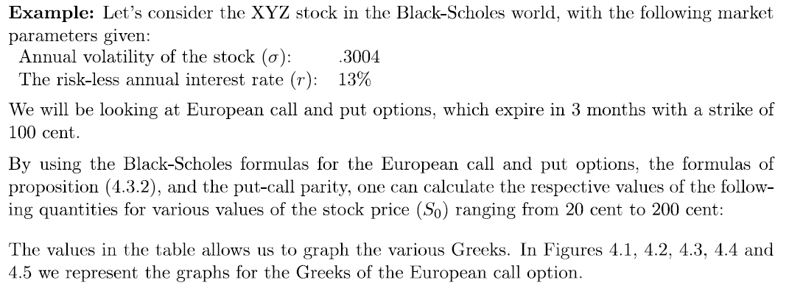

Greeks
 | ΔC | ΓC | ρC | ΘC | νC
20 | 9.6519405812E-26 | 3.3794853962E-25 | 4.7586018181E-25 | -6.346753352E-24 | 1.015197413E-23
40 | 3.1424904292E-09 | 3.1237586511E-09 | 3.0672633904E-08 | -2.4146055401E-07 | 3.7535083952E-07
60 | 0.00093704879648 | 0.00035197027018 | 0.013495867549 | -0.064189187418 | 0.095158682245
80 | 0.11620678285 | 0.01627390717 | 2.1638991997 | -5.8246195418 | 7.8218907422
85 | 0.2146066215 | 0.022862027076 | 4.1968467215 | -9.6352114398 | 12.404878736
90 | 0.34090664732 | 0.027132946336 | 6.9618947361 | -13.536535008 | 16.505242586
95 | 0.48005250802 | 0.027923714324 | 10.180052221 | -16.664407179 | 18.926065285
100 | 0.6146571785 | 0.025456073014 | 13.459744726 | -18.484867766 | 19.117510834
105 | 0.73115595729 | 0.02092036727 | 16.442650806 | -18.956991728 | 17.321593391
110 | 0.82278565931 | 0.015726624353 | 18.902484513 | -18.415289189 | 14.290940816
115 | 0.88914311785 | 0.010946830792 | 20.766293913 | -17.330589712 | 10.872364976
120 | 0.93388123667 | 0.0071284456398 | 22.078486652 | -16.112372 | 7.7089862527
140 | 0.99432346803 | 0.00076979003828 | 23.991890429 | -13.15654959 | 1.1331001447
160 | 0.99968765707 | 4.7785227882E-05 | 24.187569003 | -12.632731358 | 0.091869967716
180 | 0.99998693655 | 2.1362905263E-06 | 24.199953667 | -12.58709893 | 0.0051981075602
200 | 0.99999953596 | 7.8718398504E-08 | 24.200537364 | -12.584421501 | 0.00023647006911
r | 0.13 |  | S0 | d1 | d2 | Φ(d1) | Φ(d2) | φ(d1) | C0 | P0 | ΔC | ΔP | ΓC | ΓP | ρC | ΘC | νC
σ | 0.3004 |  | 20 | -10.423820855 | -10.574020855 | 9.6519405812E-26 | 1.9663187848E-26 | 1.015197413E-24 | 2.6947389008E-26 | 76.802244983 | 9.6519405812E-26 | -1 | 3.3794853962E-25 | 3.3794853962E-25 | 4.7586018181E-25 | -6.346753352E-24 | 1.015197413E-23
T-t | 0.25 |  | 40 | -5.8089927555 | -5.9591927555 | 3.1424904292E-09 | 1.2674348166E-09 | 1.8767541976E-08 | 3.0090815521E-09 | 56.802244986 | 3.1424904292E-09 | -0.99999999686 | 3.1237586511E-09 | 3.1237586511E-09 | 3.0672633904E-08 | -2.4146055401E-07 | 3.7535083952E-07
X | 100 |  | 60 | -3.1094913699 | -3.2596913699 | 0.00093704879648 | 0.00055766754381 | 0.0031719560748 | 0.0022394575934 | 36.804484441 | 0.00093704879648 | -0.9990629512 | 0.00035197027018 | 0.00035197027018 | 0.013495867549 | -0.064189187418 | 0.095158682245
 |  |  | 80 | -1.1941646559 | -1.3443646559 | 0.11620678285 | 0.089415248585 | 0.19554726856 | 0.64094582941 | 17.443190813 | 0.11620678285 | -0.88379321715 | 0.01627390717 | 0.01627390717 | 2.1638991997 | -5.8246195418 | 7.8218907422
 |  |  | 85 | -0.79053867841 | -0.94073867841 | 0.2146066215 | 0.1734193963 | 0.29187949967 | 1.4541759418 | 13.256420925 | 0.2146066215 | -0.7853933785 | 0.022862027076 | 0.022862027076 | 4.1968467215 | -9.6352114398 | 12.404878736
 |  |  | 90 | -0.40998998441 | -0.56018998441 | 0.34090664732 | 0.28767492891 | 0.36678316857 | 2.8340193142 | 9.6362642973 | 0.34090664732 | -0.65909335268 | 0.027132946336 | 0.027132946336 | 6.9618947361 | -13.536535008 | 16.505242586
 |  |  | 95 | -0.050021800183 | -0.20022180018 | 0.48005250802 | 0.42065355914 | 0.39844347969 | 4.8847793762 | 6.6870243594 | 0.48005250802 | -0.51994749198 | 0.027923714324 | 0.027923714324 | 10.180052221 | -16.664407179 | 18.926065285
 |  |  | 100 | 0.29147816245 | 0.14127816245 | 0.6146571785 | 0.55617489979 | 0.38235021668 | 7.6267389463 | 4.4289839295 | 0.6146571785 | -0.3853428215 | 0.025456073014 | 0.025456073014 | 13.459744726 | -18.484867766 | 19.117510834
 |  |  | 105 | 0.61631281072 | 0.46611281072 | 0.73115595729 | 0.67943262302 | 0.32993511221 | 11.000772293 | 2.8030172757 | 0.73115595729 | -0.26884404271 | 0.02092036727 | 0.02092036727 | 16.442650806 | -18.956991728 | 17.321593391
 |  |  | 110 | 0.92603328765 | 0.77583328765 | 0.82278565931 | 0.78107628667 | 0.25983528756 | 14.896484471 | 1.6987294546 | 0.82278565931 | -0.17721434069 | 0.015726624353 | 0.015726624353 | 18.902484513 | -18.415289189 | 14.290940816
 |  |  | 115 | 1.2219837708 | 1.0717837708 | 0.88914311785 | 0.8580914179 | 0.18908460828 | 19.186282899 | 0.98852788184 | 0.88914311785 | -0.11085688215 | 0.010946830792 | 0.010946830792 | 20.766293913 | -17.330589712 | 10.872364976
 |  |  | 120 | 1.5053367297 | 1.3551367297 | 0.93388123667 | 0.91231300083 | 0.12848310421 | 23.751801793 | 0.5540467758 | 0.93388123667 | -0.066118763332 | 0.0071284456398 | 0.0071284456398 | 22.078486652 | -16.112372 | 7.7089862527
 |  |  | 140 | 2.5316395248 | 2.3814395248 | 0.99432346803 | 0.99137743896 | 0.016187144925 | 43.237723808 | 0.039968791339 | 0.99432346803 | -0.0056765319655 | 0.00076979003828 | 0.00076979003828 | 23.991890429 | -13.15654959 | 1.1331001447
 |  |  | 160 | 3.4206634437 | 3.2704634437 | 0.99968765707 | 0.99946314291 | 0.0011483745964 | 63.19974912 | 0.0019941029148 | 0.99968765707 | -0.00031234293156 | 4.7785227882E-05 | 4.7785227882E-05 | 24.187569003 | -12.632731358 | 0.091869967716
 |  |  | 180 | 4.2048381152 | 4.0546381152 | 0.99998693655 | 0.99997489401 | 5.7756750669E-05 | 83.197833911 | 7.8894174251E-05 | 0.99998693655 | -1.3063454607E-05 | 2.1362905263E-06 | 2.1362905263E-06 | 24.199953667 | -12.58709893 | 0.0051981075602
 |  |  | 200 | 4.9063062621 | 4.7561062621 | 0.99999953596 | 0.99999901319 | 2.3647006911E-06 | 103.19775774 | 2.7181471864E-06 | 0.99999953596 | -4.6403785914E-07 | 7.8718398504E-08 | 7.8718398504E-08 | 24.200537364 | -12.584421501 | 0.00023647006911

Credit Risk - Merton Model
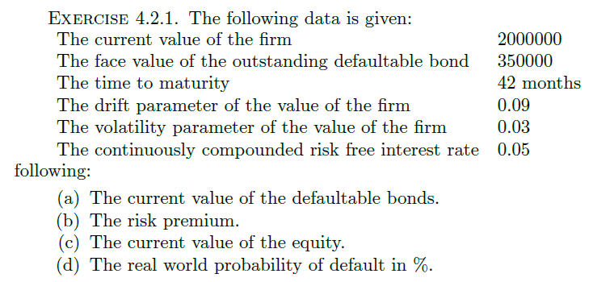

 | V0 | 2,000,000.00
 | K | 2,350,000.00
 | T | 3.5000
 | mu | 0.0900
 | sigma | 0.0300
 | r | 0.0500
(a) | Pd(0,T) | 1,940,567.99 | The current value of the defaultable bonds
 | Yd(0,T) | 0.0547 | Merton Model Yeld of defaultal ond
(b) | RP | 4.6956E-03 | The risk premium
(c) | E0 | 59,432.01 | The current value of the equity
(d) | PD | 3.3536E-03 | The real world probability of default in %
 | d1 | 0.2727
 | d2 | 0.2166
 | Phi(d1) | 0.6075
 | Phi(d2) | 0.5857
 | z-value | -2.7110

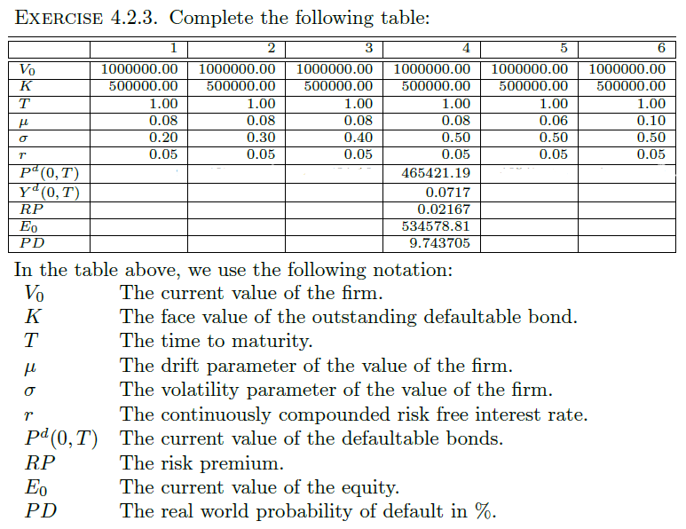

 |  |  |  |  |  |  |  |  | Black-Scholes calculator
 |  |  |  |  |  |  |  |  | Parameters
 |  |  |  |  |  |  |  |  | Share price | 1,000,000
 |  |  |  |  |  |  |  |  | Strike price | 500,000
 |  |  |  |  |  |  |  |  | Maturity | 1
 |  |  |  |  |  |  |  |  | Risk-free rate | 5.00%
 |  |  |  |  |  |  |  |  | Volatility | 20.00%

 |  |  |  |  |  |  |  |  | Calculations
 |  |  |  |  |  |  |  |  | Present value of strike | 475,615
 |  |  |  |  |  |  |  |  | s*t^.5 | 0.2000
 |  | 1 | 2 | 3 | 4 | 5 | 6 |  | d1 | 3.8157
 | V0 | 1,000,000.00 | 1,000,000.00 | 1,000,000.00 | 1,000,000.00 | 1,000,000.00 | 1,000,000.00 |  | d2 | 3.6157
 | K | 500,000.00 | 500,000.00 | 500,000.00 | 500,000.00 | 500,000.00 | 500,000.00 |  | N(d1) | 0.9999
 | T | 1.0000 | 1.0000 | 1.0000 | 1.0000 | 1.0000 | 1.0000 |  | N(d2) | 0.9999
 | mu | 0.0800 | 0.0800 | 0.0800 | 0.0800 | 0.0700 | 0.0600
 | sigma | 0.2000 | 0.3000 | 0.4000 | 0.5000 | 0.5000 | 0.5000 |  | Option values
 | r | 0.0500 | 0.0500 | 0.0500 | 0.0500 | 0.0500 | 0.0500 |  | Value of Put option | 3.333
6 | Pd(0,T) | 475,611.38 | 475,173.89 | 472,266.97 | 465,421.19 | 465,421.19 | 465,421.19 | Equity=Assets-Liabiities So E0=V0-P^d | Value of Call option | 524,388.621
7 | Y^d(0,T) | 0.0500 | 0.0509 | 0.0571 | 0.0717 | 0.0717 | 0.0717 | P^d * exp(yield * (T-t))=K So yield = ln(K/P^d)/(T-t)
8 | RP | 0.0000 | 0.0009 | 0.0071 | 0.0217 | 0.0217 | 0.0217
5 | E0 | 524,388.62 | 524,826.11 | 527,733.03 | 534,578.81 | 534,578.81 | 534,578.81 | E0: equals a call option on V
 | PD | 0.0001 | 0.0076 | 0.0416 | 0.0974 | 0.1009 | 0.1045 | V_T<K iff V0*exp((mu-0.5*sigma^2)(T-t)+sigma(W_T-W_t))<K
1 | d1 | 3.8157 | 2.6272 | 2.0579 | 1.7363 | 1.7363 | 1.7363 | iff (W_T-W_t)/sqrt(T-t)<(ln(K/V0)-(mu-0.5*sigma^2)(T-t))/(sigma*sqrt(T-t))
2 | d2 | 3.6157 | 2.3272 | 1.6579 | 1.2363 | 1.2363 | 1.2363
3 | Phi(d1) | 0.9999 | 0.9957 | 0.9802 | 0.9587 | 0.9587 | 0.9587
4 | Phi(d2) | 0.9999 | 0.9900 | 0.9513 | 0.8918 | 0.8918 | 0.8918
 | z-value | -3.7657 | -2.4272 | -1.7329 | -1.2963 | -1.2763 | -1.2563

 | Both the RP and PD increases as volatility increases
 | This is to be expected. The firm's assets>liabilities; as vol increases,
 | the prob. that it ends up below K will naturally increase.
 | Investors more likely to receive <K, so will need greater compensation
 | i.e. larger RP

 | PD increases, as mu decreases, as is to be expected, since with
 | less growth, the prob that the firm values is <K naturally increases.
 | However, the RP stays the same. This is to be expected,
 | since mu has no effect on the cost of the replication,
 | which determines the price of the call option, which
 | is ultimately responsible for the bond price and RP.

Credit Risk - JLT Model
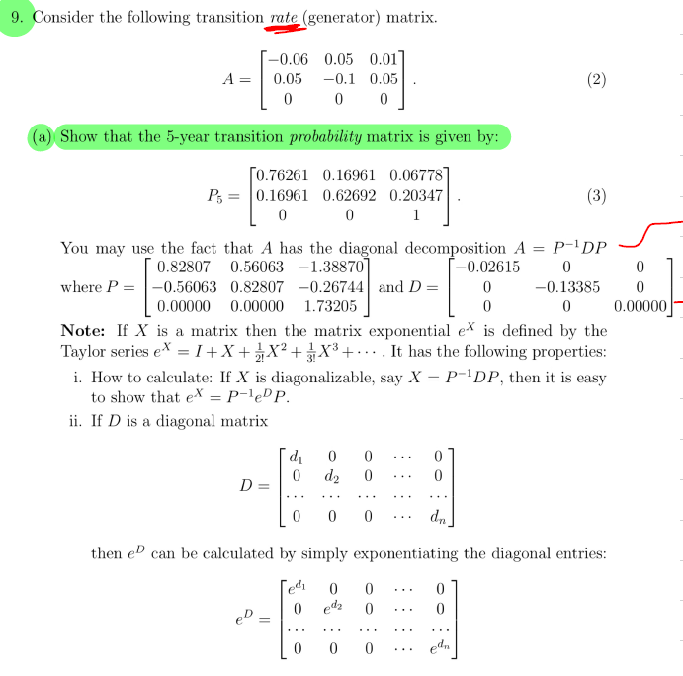
(9a)
 |  | -0.06 | 0.05 | 0.01
A | = | 0.05 | -0.1 | 0.05
 |  | 0 | 0 | 0

 |  | 0.82807 | 0.56063 | -1.3887
P | = | -0.56063 | 0.82807 | -0.26744
 |  | 0 | 0 | 1.73205

STEP1:
 |  | 0.82806509636 | -0.56062668008 | 0.57735053838
 | P-1= | 0.56062668008 | 0.82806509636 | 0.57735053838
 |  | 0 | 0 | 0.57735053838

STEP2:
 |  | -0.026148351929 | 6.1035638557E-08 | 1.5567668682E-18 |  | -0.026148351929 | 0 | 0
 | D = PAP-1= | 6.103563855E-08 | -0.13385164807 | -1.7813276895E-17 | = | 0 | -0.13385164807 | 0
 |  | 0 | 0 | 0 |  | 0 | 0 | 0

 |  | 0.87744433667 | 0 | 0
 | e5D= | 0 | 0.51208828337 | 0
 |  | 0 | 0 | 1

STEP3:
 |  | 0.76261141813 | 0.16961221279 | 0.067776369077
P5 = P-1e5DP = |  | 0.16961221279 | 0.62692120191 | 0.2034665853
 |  | 0 | 0 | 1

